Std Yields
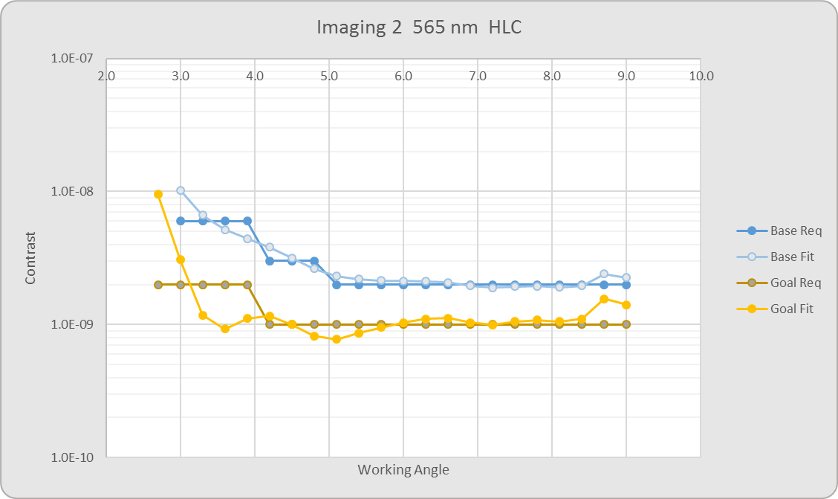
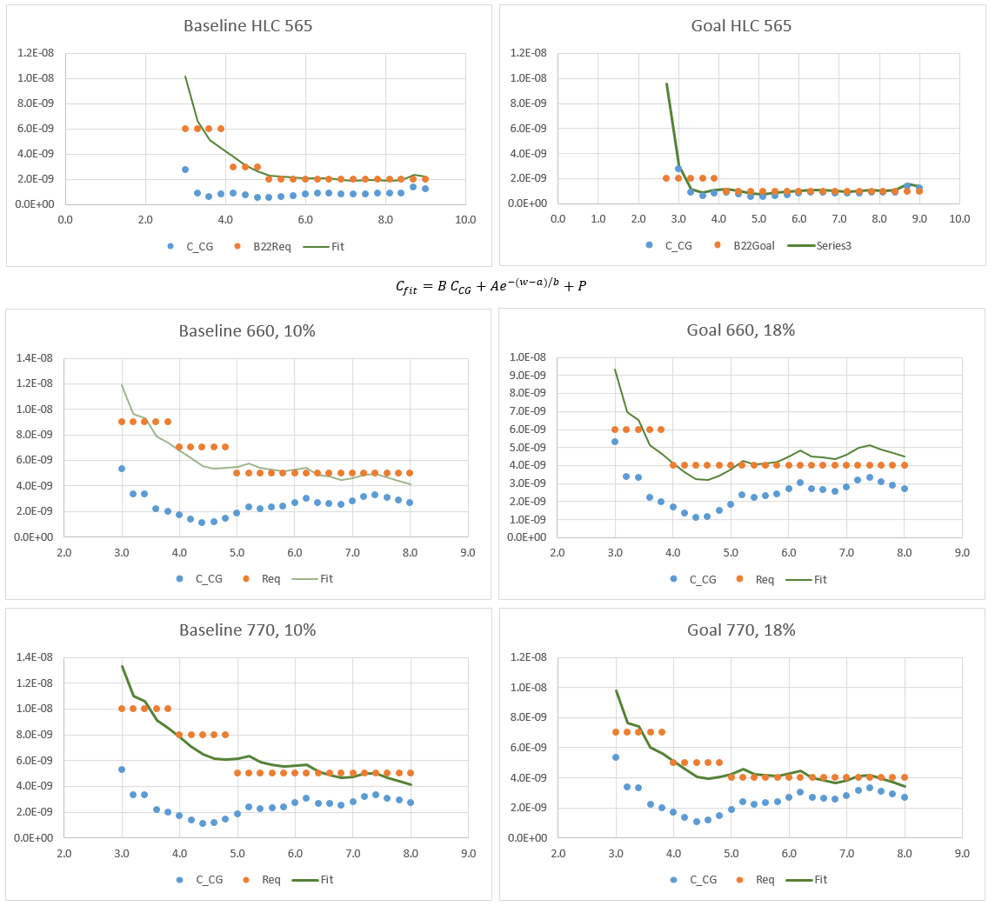
 |  |  |  |  |  |  |  |  |  | Imaging 565 nm Baseline |  |  |  |  |  |  |  |  |  |  |  | IFS 1 660 nm Baseline |  |  |  |  |  |  |  |  |  |  |  | IFS 2 770 nm Baseline
Case | Planets | lam | BW | Contrast Curve | Life | f_pp | integ, hrs | SNR | R
Imag Base 2.2 | 4 | 565 | 10% | B2.2Fit565 | 100% | 20% | 50 | 5 | 0
Imag Goal 2.2 | 18 | 565 | 10% | G2.2Fit565 | 12% | 10% | 50 | 5 | 0 | Mode |  | CG |  | l, nm | Dl, nm | SNR | f_pp | Mission Life | time, hrs |  |  | Mode |  | CG |  | l, nm | Dl, nm | SNR | f_pp | Mission Life | time, hrs |  |  | Mode |  | CG |  | l, nm | Dl, nm | SNR | f_pp | Mission Life | time, hrs
IFS1 Base 2.5 | 0 | 660 | 10% | B2.5Fit660 | 100% | 20% | 250 | 10 | 50 | Imag Base 2.2 |  | B2.2Fit565 |  | 565 | 56.5 | 5 | 20% | 100% | 50 |  |  | IFS1 Base 2.5 |  | B2.5Fit660 |  | 660 | 66.0 | 10 | 20% | 100% | 250 |  |  | IFS 2 Base 2.5 |  | B2.5Fit770 |  | 770 | 77.0 | 10 | 20% | 100% | 250
IFS1 Goal 2.5 | 5 | 660 | 18% | G2.5Fit660 | 12% | 10% | 250 | 10 | 50
IFS 2 Base 2.5 | 0 | 770 | 10% | B2.5Fit770 | 100% | 20% | 250 | 10 | 50 | Threshold |  | 0% | Time Margin Threshold |  |  |  |  | 400 | hrs max time / planet |  |  | Threshold |  | 0% | Time Margin Threshold |  |  |  |  | 400 | hrs max time / planet |  |  | Threshold |  | 0% | Time Margin Threshold |  |  |  |  | 400 | hrs max time / planet
IFS 2 Goal 2.5 | 2 | 770 | 18% | G2.5Fit770 | 12% | 10% | 250 | 10 | 50 | Planets |  | 4 | No. of planets above the time margin threshold |  |  |  |  | 51 | hrs total integ time |  |  | Planets |  | 0 | No. of planets above the time margin threshold |  |  |  |  | 0 | hrs total integ time |  |  | Planets |  | 0 | No. of planets above the time margin threshold |  |  |  |  | 0 | hrs total integ time

 |  |  |  |  |  |  |  |  |  | No. | Pl. Name | Vmag | Sep (mas) | WA (l/D) | Fl Ratio, ppb | Error Margin | Time Margin | Zodi /s/as2 | Star ph/s | planet ph/s | t (SNR), hrs | No. | Pl. Name | Vmag | Sep (mas) | WA (l/D) | Fl Ratio, ppb | Error Margin | Time Margin | Zodi /s/as2 | Star ph/s | planet ph/s | t (SNR), hrs | No. | Pl. Name | Vmag | Sep (mas) | WA (l/D) | Fl Ratio, ppb | Error Margin | Time Margin | Zodi /s/as2 | Star ph/s | planet ph/s | t (SNR), hrs
Scenario | lam_c, nm | BW | R | Coronagraph | Life | f_pp | FP type | t integ, hrs | SNR | 9 | 47 UMa c | 5.0 | 254 | 5.2 | 7.73 | 94% | 97% | 23.2 | 2.7E+08 | 2.1 | 1.7 | 9 | 47 UMa c | 5.0 | 254 | 5.2 | 7.73 | 94% | 97% | 23.2 | 2.7E+08 | 2.1 | 1.7 | 9 | 47 UMa c | 5.0 | 254 | 5.2 | 7.73 | 94% | 97% | 23.2 | 2.7E+08 | 2.1 | 1.7
Imag Base 2.2 | 565 | 0.1 | 0 | B2.2Fit565 | 1 | 0.2 | Imaging | 50 | 5 | 1 | beta Gem b | 1.2 | 170 | 3.5 | 9.85 | 99% | 97% | 471.2 | 9.6E+09 | 94.9 | 1.47 | 1 | beta Gem b | 1.2 | 170 | 3.0 | 9.85 | -100% | -100% | 643.0 | 1.3E+10 | 129.5 | -1.00 | 1 | beta Gem b | 1.2 | 170 | 2.5 | 9.85 | -100% | -100% | 392.9 | 8.0E+09 | 79.1 | -1.00
Imag Goal 2.2 | 565 | 0.1 | 0 | G2.2Fit565 | 0.12 | 0.1 | Imaging | 50 | 5 | 6 | epsilon Eri b | 3.7 | 384 | 7.8 | 8.18 | 99% | 99% | 18.6 | 9.0E+08 | 7.4 | 0.3 | 6 | epsilon Eri b | 3.7 | 402 | 7.0 | 8.18 | -100% | -100% | 25.4 | 1.2E+09 | 10.1 | -5.9 | 6 | epsilon Eri b | 3.7 | 469 | 7.0 | 8.18 | -100% | -100% | 15.5 | 7.5E+08 | 6.2 | -17.8
IFS1 Base 2.5 | 660 | 0.1 | 50 | B2.5Fit660 | 1 | 0.2 | IFS | 250 | 10 | 9 | 47 UMa c | 5.0 | 254 | 5.2 | 7.73 | 94% | 97% | 23.2 | 2.7E+08 | 2.1 | 1.7 | 9 | 47 UMa c | 5.0 | 254 | 4.4 | 7.73 | -100% | -100% | 31.7 | 3.7E+08 | 2.9 | -20.6 | 9 | 47 UMa c | 5.0 | 254 | 3.8 | 7.73 | -100% | -100% | 19.4 | 2.3E+08 | 1.7 | -42.9
IFS1 Goal 2.5 | 660 | 0.18 | 50 | G2.5Fit660 | 0.12 | 0.1 | IFS | 250 | 10 | 5 | upsilon And d | 4.1 | 187 | 3.8 | 4.99 | -100% | -100% | 42.2 | 6.4E+08 | 3.2 | -1.0 | 5 | upsilon And d | 4.1 | 187 | 3.3 | 4.99 | -100% | -100% | 57.6 | 8.7E+08 | 4.3 | -2.6 | 5 | upsilon And d | 4.1 | 187 | 2.8 | 4.99 | -100% | -100% | 35.2 | 5.3E+08 | 2.6 | -1.0
IFS 2 Base 2.5 | 770 | 0.1 | 50 | B2.5Fit770 | 1 | 0.2 | IFS | 250 | 10 | 13 | Gliese 777 b | 5.7 | 251 | 5.1 | 5.67 | 11% | 5% | 20.6 | 1.4E+08 | 0.8 | 47.6 | 13 | Gliese 777 b | 5.7 | 251 | 4.4 | 5.67 | -100% | -100% | 28.1 | 1.9E+08 | 1.1 | -50.1 | 13 | Gliese 777 b | 5.7 | 251 | 3.7 | 5.67 | -100% | -100% | 17.2 | 1.2E+08 | 0.7 | -140.9
IFS 2 Goal 2.5 | 770 | 0.18 | 50 | G2.5Fit770 | 0.12 | 0.1 | IFS | 250 | 10 | 14 | mu Ara e | 5.1 | 344 | 5.1 | 3.14 | -100% | -100% | 30.6 | 3.7E+08 | 1.2 | 859.1 | 14 | mu Ara e | 5.1 | 344 | 6.0 | 3.14 | -100% | -100% | 27.8 | 3.4E+08 | 1.1 | -24.9 | 14 | mu Ara e | 5.1 | 344 | 5.1 | 3.14 | -100% | -100% | 17.0 | 2.1E+08 | 0.7 | -78.4
Custom | 550 | 0.1 | 50 | HLC | 0.25 | 0.2 | IFS | 100 | 5 | 11 | HD 114613 b | 4.9 | 257 | 3.8 | 2.54 | -100% | -100% | 36.2 | 4.8E+08 | 1.2 | -159.6 | 11 | HD 114613 b | 4.9 | 257 | 3.8 | 2.54 | -100% | -100% | 36.2 | 4.8E+08 | 1.2 | -159.6 | 11 | HD 114613 b | 4.9 | 257 | 3.8 | 2.54 | -100% | -100% | 36.2 | 4.8E+08 | 1.2 | -159.6
Imaging 1 | 450 | 0.1 | 0 | HLC | 0.25 | 0.1 | Imaging | 24 | 5
Imaging 2 | 565 | 0.1 | 0 | HLC | 0.25 | 0.1 | Imaging | 24 | 5 | Imaging 565 nm Goal |  |  |  |  |  |  |  |  |  |  |  | IFS 1 660 nm Goal |  |  |  |  |  |  |  |  |  |  |  | IFS 2 770 nm Goal
IFS 1 | 660 | 0.18 | 50 | SPC | 0.25 | 0.1 | IFS | 50 | 15
IFS 2 | 770 | 0.18 | 50 | SPC | 0.25 | 0.1 | IFS | 200 | 15 | Mode |  | CG |  | l, nm | Dl, nm | SNR | f_pp | Mission Life | time, hrs |  |  | Mode |  | CG |  | l, nm | Dl, nm | SNR | f_pp | Mission Life | time, hrs |  |  | Mode |  | CG |  | l, nm | Dl, nm | SNR | f_pp | Mission Life | time, hrs
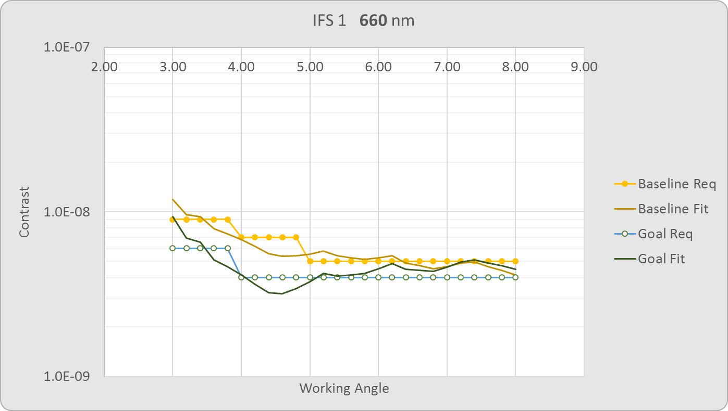
IFS 3 | 890 | 0.18 | 50 | SPC | 0.25 | 0.1 | IFS | 200 | 15 | Imag Goal 2.2 |  | G2.2Fit565 |  | 565 | 56.5 | 5 | 10% | 12% | 50 |  |  | IFS1 Goal 2.5 |  | G2.5Fit660 |  | 660 | 118.8 | 10 | 10% | 12% | 250 |  |  | IFS 2 Goal 2.5 |  | G2.5Fit770 |  | 770 | 138.6 | 10 | 10% | 12% | 250

 |  |  |  |  |  |  |  |  |  | Threshold |  | 0% | Time Margin Threshold |  |  |  |  | 400 | hrs max time / planet |  |  | Threshold |  | 0% | Time Margin Threshold |  |  |  |  | 400 | hrs max time / planet |  |  | Threshold |  | 0% | Time Margin Threshold |  |  |  |  | 400 | hrs max time / planet
 |  |  |  |  |  |  |  |  |  | Planets |  | 18 | No. of planets above the time margin threshold |  |  |  |  | 230 | hrs total integ time |  |  | Planets |  | 5 | No. of planets above the time margin threshold |  |  |  |  | 446 | hrs total integ time |  |  | Planets |  | 2 | No. of planets above the time margin threshold |  |  |  |  | 72 | hrs total integ time

 |  |  |  |  |  |  |  |  |  | No. | Pl. Name | Vmag | Sep (mas) | WA (l/D) | Fl Ratio, ppb | Error Margin | Time Margin | Zodi /s/as2 | Star ph/s | planet ph/s | t (SNR), hrs | No. | Pl. Name | Vmag | Sep (mas) | WA (l/D) | Fl Ratio, ppb | Error Margin | Time Margin | Zodi /s/as2 | Star ph/s | planet ph/s | t (SNR), hrs | No. | Pl. Name | Vmag | Sep (mas) | WA (l/D) | Fl Ratio, ppb | Error Margin | Time Margin | Zodi /s/as2 | Star ph/s | planet ph/s | t (SNR), hrs
 |  |  |  |  |  |  |  |  |  | 9 | 47 UMa c | 5.0 | 254 | 5.2 | 7.73 | 99% | 99% | 23.2 | 2.7E+08 | 2.1 | 0.3 | 9 | 47 UMa c | 5.0 | 254 | 5.2 | 7.73 | 99% | 99% | 23.2 | 2.7E+08 | 2.1 | 0.3 | 9 | 47 UMa c | 5.0 | 254 | 5.2 | 7.73 | 99% | 99% | 23.2 | 2.7E+08 | 2.1 | 0.3
 |  |  |  |  |  |  |  |  |  | 1 | beta Gem b | 1.2 | 170 | 3.5 | 9.85 | 100% | 100% | 471.2 | 9.6E+09 | 94.9 | 0.01 | 1 | beta Gem b | 1.2 | 170 | 3.0 | 9.85 | -100% | -100% | 1157.4 | 2.4E+10 | 233.1 | -1.00 | 1 | beta Gem b | 1.2 | 170 | 2.5 | 9.85 | -100% | -100% | 707.3 | 1.4E+10 | 142.4 | -1.00
 |  |  |  |  |  |  |  |  |  | 6 | epsilon Eri b | 3.7 | 381 | 7.7 | 8.18 | 100% | 100% | 18.6 | 9.0E+08 | 7.4 | 0.1 | 6 | epsilon Eri b | 3.7 | 402 | 7.0 | 8.18 | 97% | 99% | 45.8 | 2.2E+09 | 18.2 | 3.0 | 6 | epsilon Eri b | 3.7 | 469 | 7.0 | 8.18 | 93% | 97% | 28.0 | 1.4E+09 | 11.1 | 7.1
 |  |  |  |  |  |  |  |  |  | 9 | 47 UMa c | 5.0 | 254 | 5.2 | 7.73 | 99% | 99% | 23.2 | 2.7E+08 | 2.1 | 0.3 | 9 | 47 UMa c | 5.0 | 254 | 4.4 | 7.73 | 91% | 95% | 57.0 | 6.6E+08 | 5.1 | 12.2 | 9 | 47 UMa c | 5.0 | 254 | 3.8 | 7.73 | 66% | 74% | 34.8 | 4.1E+08 | 3.1 | 64.9
 |  |  |  |  |  |  |  |  |  | 5 | upsilon And d | 4.1 | 187 | 3.8 | 4.99 | 99% | 99% | 42.2 | 6.4E+08 | 3.2 | 0.3 | 5 | upsilon And d | 4.1 | 187 | 3.3 | 4.99 | -100% | -100% | 103.6 | 1.6E+09 | 7.8 | 895.4 | 5 | upsilon And d | 4.1 | 187 | 2.8 | 4.99 | -100% | -100% | 63.3 | 9.6E+08 | 4.8 | -1.0
 |  |  |  |  |  |  |  |  |  | 13 | Gliese 777 b | 5.7 | 251 | 5.1 | 5.67 | 97% | 98% | 20.6 | 1.4E+08 | 0.8 | 1.1 | 13 | Gliese 777 b | 5.7 | 251 | 4.4 | 5.67 | 71% | 77% | 50.6 | 3.5E+08 | 2.0 | 57.7 | 13 | Gliese 777 b | 5.7 | 251 | 3.7 | 5.67 | -298% | -100% | 30.9 | 2.1E+08 | 1.2 | 518.3
 |  |  |  |  |  |  |  |  |  | 14 | mu Ara e | 5.1 | 344 | 7.0 | 3.14 | 97% | 97% | 20.4 | 2.5E+08 | 0.8 | 1.3 | 14 | mu Ara e | 5.1 | 344 | 6.0 | 3.14 | 27% | 19% | 50.1 | 6.1E+08 | 1.9 | 202.8 | 14 | mu Ara e | 5.1 | 344 | 5.1 | 3.14 | -100% | -100% | 30.6 | 3.7E+08 | 1.2 | 859.1
 |  |  |  |  |  |  |  |  |  | 11 | HD 114613 b | 4.9 | 257 | 5.2 | 2.54 | 97% | 98% | 24.1 | 3.2E+08 | 0.8 | 1.2 | 11 | HD 114613 b | 4.9 | 257 | 4.5 | 2.54 | 41% | 32% | 59.2 | 7.8E+08 | 2.0 | 170.5 | 11 | HD 114613 b | 4.9 | 257 | 3.8 | 2.54 | -100% | -100% | 36.2 | 4.8E+08 | 1.2 | -159.6
 |  |  |  |  |  |  |  |  |  | 2 | gamma Cep b | 3.2 | 140 | 2.9 | 4.15 | 97% | 93% | 117.0 | 1.4E+09 | 6.0 | 3.5 | 2 | gamma Cep b | 3.2 | 140 | 2.4 | 4.15 | -100% | -100% | 287.3 | 3.5E+09 | 14.7 | -1.0 | 2 | gamma Cep b | 3.2 | 140 | 2.1 | 4.15 | -100% | -100% | 175.5 | 2.2E+09 | 9.0 | -1.0
 |  |  |  |  |  |  |  |  |  | 3 | HD 147513 b | 5.4 | 102 | 2.1 | 65.05 | -100% | -100% | 43.0 | 2.0E+08 | 12.9 | -1.0 | 3 | HD 147513 b | 5.4 | 102 | 1.8 | 65.05 | -100% | -100% | 105.7 | 4.9E+08 | 31.6 | -1.0 | 3 | HD 147513 b | 5.4 | 102 | 1.5 | 65.05 | -100% | -100% | 64.6 | 3.0E+08 | 19.3 | -1.0
 |  |  |  |  |  |  |  |  |  | 4 | HD 192310 c | 5.7 | 133 | 2.7 | 5.24 | 80% | 67% | 28.4 | 1.4E+08 | 0.7 | 16.6 | 4 | HD 192310 c | 5.7 | 133 | 2.3 | 5.24 | -100% | -100% | 69.8 | 3.5E+08 | 1.8 | -1.0 | 4 | HD 192310 c | 5.7 | 133 | 2.0 | 5.24 | -100% | -100% | 42.7 | 2.1E+08 | 1.1 | -1.0
 |  |  |  |  |  |  |  |  |  | 7 | 47 UMa b | 5.0 | 149 | 3.0 | 11.21 | 98% | 99% | 33.9 | 2.7E+08 | 3.0 | 0.7 | 7 | 47 UMa b | 5.0 | 149 | 2.6 | 11.21 | -100% | -100% | 83.4 | 6.6E+08 | 7.4 | -1.0 | 7 | 47 UMa b | 5.0 | 149 | 2.2 | 11.21 | -100% | -100% | 50.9 | 4.1E+08 | 4.5 | -1.0
 |  |  |  |  |  |  |  |  |  | 8 | HD 10647 b | 5.5 | 116 | 2.4 | 18.08 | -100% | -100% | 34.9 | 1.7E+08 | 3.1 | -1.0 | 8 | HD 10647 b | 5.5 | 116 | 2.0 | 18.08 | -100% | -100% | 85.7 | 4.2E+08 | 7.6 | -1.0 | 8 | HD 10647 b | 5.5 | 116 | 1.7 | 18.08 | -100% | -100% | 52.4 | 2.6E+08 | 4.7 | -1.0
 |  |  |  |  |  |  |  |  |  | 10 | HD 39091 b | 5.7 | 183 | 3.7 | 1.20 | 81% | 67% | 23.7 | 1.5E+08 | 0.2 | 16.5 | 10 | HD 39091 b | 5.7 | 183 | 3.2 | 1.20 | -100% | -100% | 58.3 | 3.8E+08 | 0.5 | -51.4 | 10 | HD 39091 b | 5.7 | 183 | 2.7 | 1.20 | -100% | -100% | 35.6 | 2.3E+08 | 0.3 | -1.0
 |  |  |  |  |  |  |  |  |  | 12 | HD 128311 c | 7.5 | 106 | 2.2 | 19.97 | -100% | -100% | 21.0 | 2.8E+07 | 0.6 | -1.0 | 12 | HD 128311 c | 7.5 | 106 | 1.8 | 19.97 | -100% | -100% | 51.5 | 7.0E+07 | 1.4 | -1.0 | 12 | HD 128311 c | 7.5 | 106 | 1.6 | 19.97 | -100% | -100% | 31.5 | 4.2E+07 | 0.8 | -1.0
 |  |  |  |  |  |  |  |  |  | 15 | 14 Her b | 6.6 | 167 | 3.4 | 6.83 | 92% | 91% | 20.6 | 6.3E+07 | 0.4 | 4.4 | 15 | 14 Her b | 6.6 | 167 | 2.9 | 6.83 | -100% | -100% | 50.6 | 1.5E+08 | 1.1 | -1.0 | 15 | 14 Her b | 6.6 | 167 | 2.5 | 6.83 | -100% | -100% | 30.9 | 9.5E+07 | 0.6 | -1.0
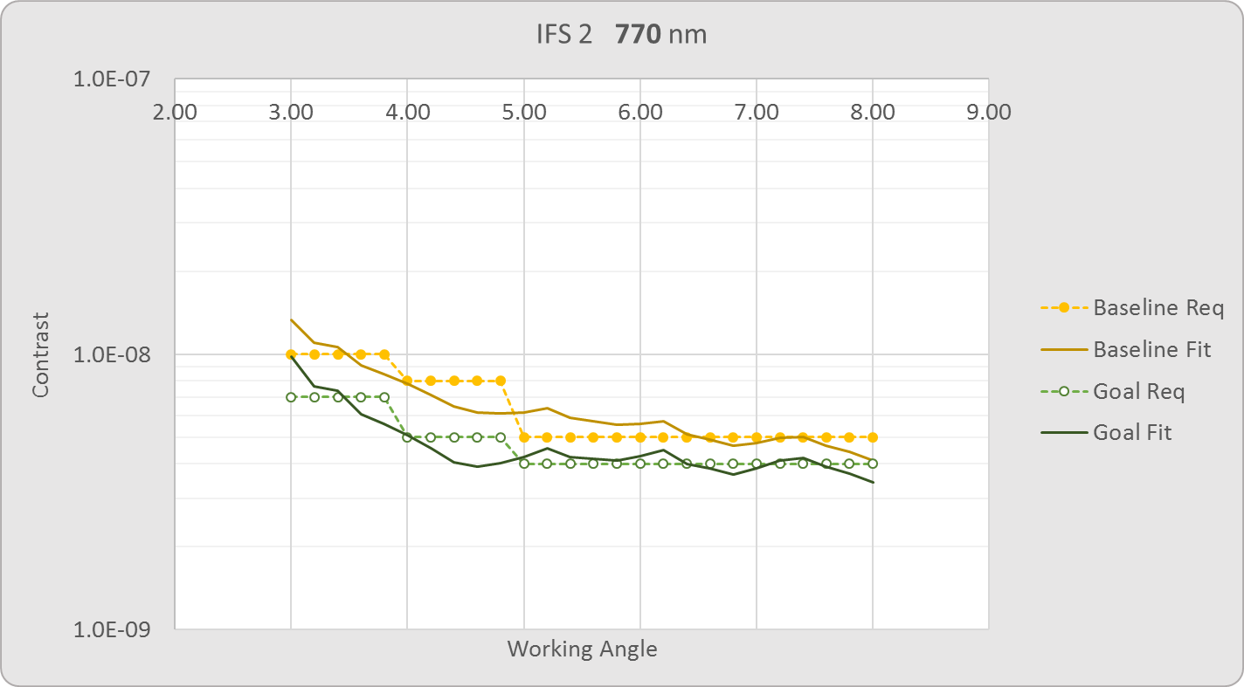
 |  |  |  |  |  |  |  |  |  | 16 | HD 89307 b | 7.0 | 101 | 2.1 | 8.69 | -100% | -100% | 23.3 | 4.3E+07 | 0.4 | -1.0 | 16 | HD 89307 b | 7.0 | 101 | 1.8 | 8.69 | -100% | -100% | 57.2 | 1.1E+08 | 0.9 | -1.0 | 16 | HD 89307 b | 7.0 | 101 | 1.5 | 8.69 | -100% | -100% | 35.0 | 6.5E+07 | 0.6 | -1.0
 |  |  |  |  |  |  |  |  |  | 17 | 55 Cnc d | 6.0 | 381 | 7.7 | 2.75 | 93% | 92% | 18.3 | 1.1E+08 | 0.3 | 4.2 | 17 | 55 Cnc d | 6.0 | 444 | 7.7 | 2.75 | -100% | -100% | 45.0 | 2.8E+08 | 0.8 | -591.8 | 17 | 55 Cnc d | 6.0 | 444 | 6.6 | 2.75 | -100% | -100% | 27.5 | 1.7E+08 | 0.5 | 9343.2
 |  |  |  |  |  |  |  |  |  | 18 | HD 70642 b | 7.2 | 113 | 2.3 | 8.53 | -100% | -100% | 21.5 | 3.8E+07 | 0.3 | -1.0 | 18 | HD 70642 b | 7.2 | 113 | 2.0 | 8.53 | -100% | -100% | 52.8 | 9.3E+07 | 0.8 | -1.0 | 18 | HD 70642 b | 7.2 | 113 | 1.7 | 8.53 | -100% | -100% | 32.3 | 5.7E+07 | 0.5 | -1.0
 |  |  |  |  |  |  |  |  |  | 19 | HD 217107 c | 6.2 | 269 | 5.5 | 2.99 | 92% | 91% | 19.3 | 9.5E+07 | 0.3 | 4.7 | 19 | HD 217107 c | 6.2 | 269 | 4.7 | 2.99 | -100% | -100% | 47.4 | 2.3E+08 | 0.7 | 508.3 | 19 | HD 217107 c | 6.2 | 269 | 4.0 | 2.99 | -100% | -100% | 29.0 | 1.4E+08 | 0.4 | -2656.9
 |  |  |  |  |  |  |  |  |  | 20 | HD 154345 b | 6.8 | 227 | 4.6 | 4.47 | 90% | 88% | 19.0 | 5.5E+07 | 0.2 | 6.2 | 20 | HD 154345 b | 6.8 | 227 | 3.9 | 4.47 | -100% | -100% | 46.6 | 1.3E+08 | 0.6 | 814.9 | 20 | HD 154345 b | 6.8 | 227 | 3.4 | 4.47 | -100% | -100% | 28.5 | 8.2E+07 | 0.4 | -3362.3
 |  |  |  |  |  |  |  |  |  | 21 | HD 117207 b | 7.3 | 113 | 2.3 | 6.18 | -100% | -100% | 21.2 | 3.5E+07 | 0.2 | -1.0 | 21 | HD 117207 b | 7.3 | 113 | 2.0 | 6.18 | -100% | -100% | 52.1 | 8.5E+07 | 0.5 | -1.0 | 21 | HD 117207 b | 7.3 | 113 | 1.7 | 6.18 | -100% | -100% | 31.8 | 5.2E+07 | 0.3 | -1.0
 |  |  |  |  |  |  |  |  |  | 22 | HD 134987 c | 6.5 | 222 | 4.5 | 2.24 | 83% | 74% | 19.5 | 7.2E+07 | 0.2 | 12.9 | 22 | HD 134987 c | 6.5 | 222 | 3.9 | 2.24 | -100% | -100% | 47.9 | 1.8E+08 | 0.4 | -802.0 | 22 | HD 134987 c | 6.5 | 222 | 3.3 | 2.24 | -100% | -100% | 29.3 | 1.1E+08 | 0.2 | -1004.2
 |  |  |  |  |  |  |  |  |  | 23 | HD 87883 b | 7.6 | 196 | 4.0 | 2.25 | -100% | -100% | 18.4 | 2.6E+07 | 0.1 | 83.0 | 23 | HD 87883 b | 7.6 | 196 | 3.4 | 2.25 | -100% | -100% | 45.3 | 6.4E+07 | 0.1 | -1953.5 | 23 | HD 87883 b | 7.6 | 196 | 2.9 | 2.25 | -100% | -100% | 27.7 | 3.9E+07 | 0.1 | -1.0
 |  |  |  |  |  |  |  |  |  | 24 | HD 222155 b | 7.1 | 105 | 2.1 | 3.34 | -100% | -100% | 22.4 | 3.9E+07 | 0.1 | -1.0 | 24 | HD 222155 b | 7.1 | 105 | 1.8 | 3.34 | -100% | -100% | 55.1 | 9.7E+07 | 0.3 | -1.0 | 24 | HD 222155 b | 7.1 | 105 | 1.6 | 3.34 | -100% | -100% | 33.6 | 5.9E+07 | 0.2 | -1.0
 |  |  |  |  |  |  |  |  |  | 25 | HD 181433 d | 8.4 | 113 | 2.3 | 8.23 | -100% | -100% | 18.8 | 1.2E+07 | 0.1 | -1.0 | 25 | HD 181433 d | 8.4 | 113 | 2.0 | 8.23 | -100% | -100% | 46.3 | 3.0E+07 | 0.2 | -1.0 | 25 | HD 181433 d | 8.4 | 113 | 1.7 | 8.23 | -100% | -100% | 28.3 | 1.9E+07 | 0.2 | -1.0
 |  |  |  |  |  |  |  |  |  | 26 | HD 24040 b | 7.5 | 106 | 2.1 | 2.47 | -100% | -100% | 20.9 | 2.8E+07 | 0.1 | -1.0 | 26 | HD 24040 b | 7.5 | 106 | 1.8 | 2.47 | -100% | -100% | 51.4 | 6.8E+07 | 0.2 | -1.0 | 26 | HD 24040 b | 7.5 | 106 | 1.6 | 2.47 | -100% | -100% | 31.4 | 4.2E+07 | 0.1 | -1.0
 |  |  |  |  |  |  |  |  |  | 27 | HD 13931 b | 7.6 | 116 | 2.4 | 2.73 | -100% | -100% | 20.0 | 2.5E+07 | 0.1 | -1.0 | 27 | HD 13931 b | 7.6 | 116 | 2.0 | 2.73 | -100% | -100% | 49.2 | 6.2E+07 | 0.2 | -1.0 | 27 | HD 13931 b | 7.6 | 116 | 1.7 | 2.73 | -100% | -100% | 30.1 | 3.8E+07 | 0.1 | -1.0
 |  |  |  |  |  |  |  |  |  | 28 | HD 187123 c | 7.8 | 100 | 2.0 | 3.23 | -100% | -100% | 20.3 | 2.1E+07 | 0.1 | -1.0 | 28 | HD 187123 c | 7.8 | 100 | 1.7 | 3.23 | -100% | -100% | 49.9 | 5.0E+07 | 0.2 | -1.0 | 28 | HD 187123 c | 7.8 | 100 | 1.5 | 3.23 | -100% | -100% | 30.5 | 3.1E+07 | 0.1 | -1.0
 |  |  |  |  |  |  |  |  |  | 29 | GJ 832 b | 8.7 | 381 | 7.7 | 6.17 | -100% | -100% | 17.6 | 9.5E+06 | 0.1 | 58.4 | 29 | GJ 832 b | 8.7 | 402 | 7.0 | 6.17 | -100% | -100% | 43.1 | 2.3E+07 | 0.1 | 6737.0 | 29 | GJ 832 b | 8.7 | 469 | 7.0 | 6.17 | -100% | -100% | 26.4 | 1.4E+07 | 0.1 | 29864.2
 |  |  |  |  |  |  |  |  |  | 30 | HD 30562 b | 5.8 | 89 | 1.8 | 10.68 | -100% | -100% | 41.1 | 1.4E+08 | 1.5 | -1.0 | 30 | HD 30562 b | 5.8 | 89 | 1.5 | 10.68 | -100% | -100% | 101.0 | 3.4E+08 | 3.6 | -1.0 | 30 | HD 30562 b | 5.8 | 89 | 1.3 | 10.68 | -100% | -100% | 61.8 | 2.1E+08 | 2.2 | -1.0
 |  |  |  |  |  |  |  |  |  | 31 | HD 142 c | 5.7 | 330 | 6.7 | 1.19 | 84% | 74% | 19.3 | 1.5E+08 | 0.2 | 13.1 | 31 | HD 142 c | 5.7 | 330 | 5.7 | 1.19 | -100% | -100% | 47.5 | 3.6E+08 | 0.4 | -165.0 | 31 | HD 142 c | 5.7 | 330 | 4.9 | 1.19 | -100% | -100% | 29.0 | 2.2E+08 | 0.3 | -608.3
 |  |  |  |  |  |  |  |  |  | 32 | nu Oph c | 3.3 | 130 | 2.7 | 0.34 | -100% | -100% | 119.8 | 1.3E+09 | 0.4 | -1.0 | 32 | nu Oph c | 3.3 | 130 | 2.3 | 0.34 | -100% | -100% | 294.3 | 3.1E+09 | 1.1 | -1.0 | 32 | nu Oph c | 3.3 | 130 | 1.9 | 0.34 | -100% | -100% | 179.8 | 1.9E+09 | 0.6 | -1.0
 |  |  |  |  |  |  |  |  |  | 33 | psi Dra B b | 5.8 | 201 | 4.1 | 4.73 | 96% | 96% | 22.0 | 1.3E+08 | 0.6 | 2.0 | 33 | psi Dra B b | 5.8 | 201 | 3.5 | 4.73 | -100% | -100% | 53.9 | 3.2E+08 | 1.5 | 3516.5 | 33 | psi Dra B b | 5.8 | 201 | 3.0 | 4.73 | -100% | -100% | 33.0 | 2.0E+08 | 0.9 | -1.0

